2. Barplot
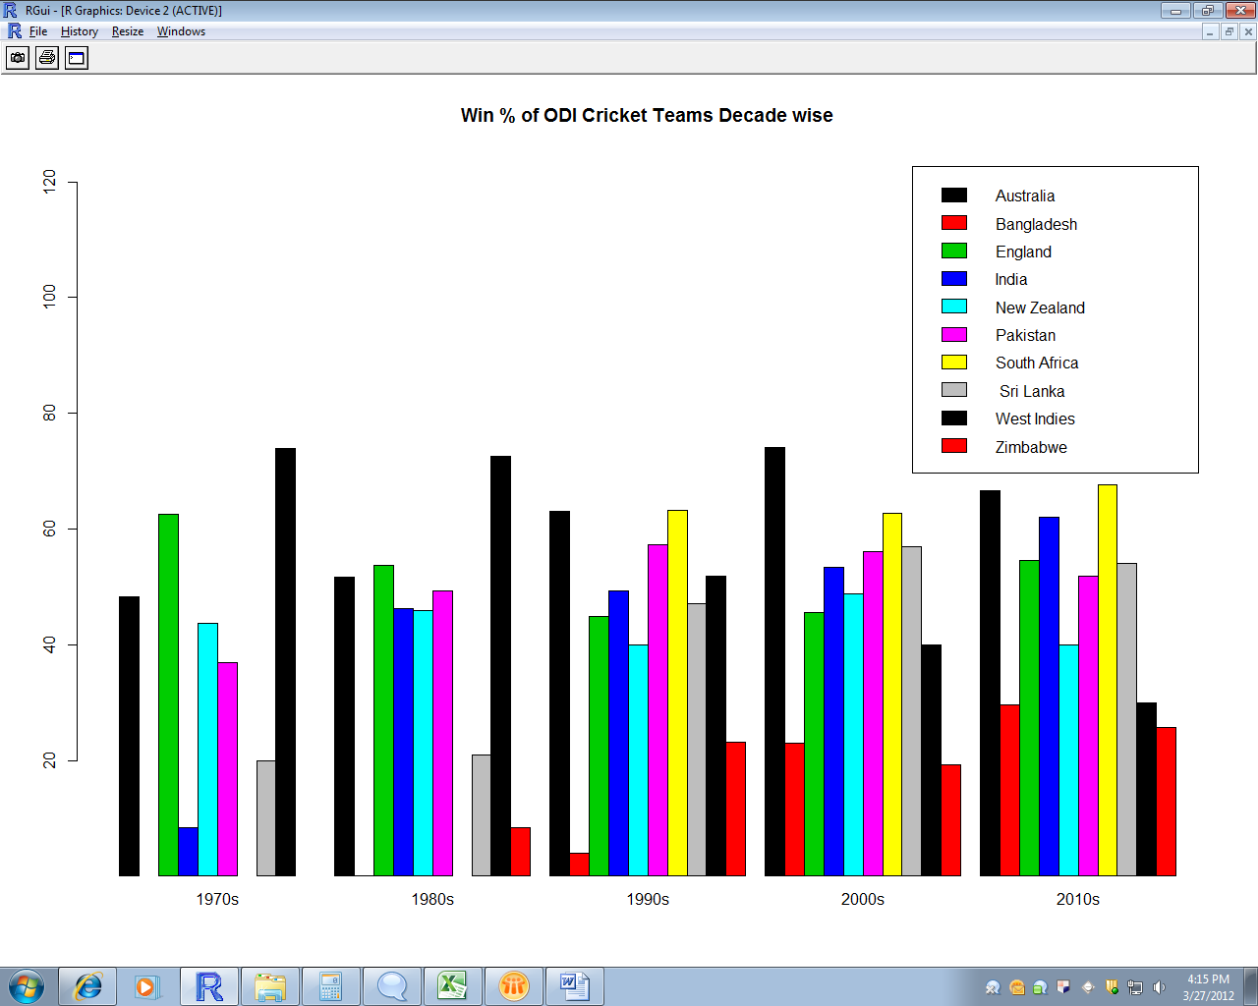
Using results from Using Aggregate sheet:
r70<-wr70[-2:-3]
r80<-wr80[-2:-3]
r90<-wr90[-2:-3]
r00<-wr00[-2:-3]
r10<-wr10[-2:-3]

bardata<-merge(merge(merge(merge(r70,r80,by="Team",all.y=T),r90,by="Team",all.y=T),r00,by="Team",all.y=T),r10,by="Team",all.y=T)
dm<-data.matrix(bardata)
dm<-dm[,-1]
dimnames(dm) = list("Team"=c("Australia","Bangladesh","England","India","New Zealand","Pakistan","South Africa"," Sri Lanka","West Indies", "Zimbabwe"),"Decade"=c("1970s","1980s","1990s","2000s","2010s"))
barplot(dm,beside=T,legend=T,ylim=c(1,125),col=c(1:10),main="Win % of ODI Cricket Teams Decade wise")

3. Using Excel
Team1 | Team2 | Winner | Matchyear | Decade | Team1 | Team2 | Winner | Matchyear | Decade | Team1 | Team2 | Winner | Matchyear | Decade | Team1 | Team2 | Winner | Matchyear | Decade | Team1 | Team2 | Winner | Matchyear | Decade | Decade | Australia | England | New Zealand | Sri Lanka | Pakistan | India | West Indies | Bangladesh | South Africa | Zimbabwe
Australia | England | Australia | 1971 | 1970s | Australia | England | England | 1980 | 1980s | Australia | Pakistan | Australia | 1990 | 1990s | New Zealand | West Indies | New Zealand | 2000 | 2000s | Bangladesh | Sri Lanka | Sri Lanka | 2010 | 2010s | 1970s | 48.28 | 62.50 | 43.75 | 20.00 | 36.84 | 8.33 | 73.91 | 0.00 | 0.00 | 0.00
England | Australia | England | 1972 | 1970s | England | West Indies | West Indies | 1980 | 1980s | Australia | Sri Lanka | Australia | 1990 | 1990s | New Zealand | West Indies | New Zealand | 2000 | 2000s | India | Sri Lanka | Sri Lanka | 2010 | 2010s | 1980s | 51.70 | 53.78 | 45.90 | 20.88 | 49.36 | 46.31 | 72.62 | 0.00 | 0.00 | 8.33
England | Australia | Australia | 1972 | 1970s | Australia | West Indies | Australia | 1980 | 1980s | Pakistan | Sri Lanka | Pakistan | 1990 | 1990s | New Zealand | West Indies | New Zealand | 2000 | 2000s | Bangladesh | India | India | 2010 | 2010s | 1990s | 63.01 | 44.88 | 40.00 | 47.03 | 57.32 | 49.36 | 51.91 | 4.00 | 63.25 | 23.15
England | Australia | England | 1972 | 1970s | England | West Indies | West Indies | 1980 | 1980s | Australia | Pakistan | Australia | 1990 | 1990s | New Zealand | West Indies | New Zealand | 2000 | 2000s | Bangladesh | Sri Lanka | Sri Lanka | 2010 | 2010s | 2000s | 74.12 | 45.59 | 48.85 | 57.03 | 56.18 | 53.43 | 40.00 | 23.03 | 62.77 | 19.19
New Zealand | Pakistan | New Zealand | 1973 | 1970s | England | West Indies | West Indies | 1980 | 1980s | Australia | Pakistan | Pakistan | 1990 | 1990s | Australia | Pakistan | Pakistan | 2000 | 2000s | India | Sri Lanka | India | 2010 | 2010s | 2010s | 66.67 | 54.55 | 40.00 | 54.10 | 51.92 | 62.12 | 30.00 | 29.55 | 67.57 | 25.71
Win % of ODI Cricket Teams Decade wise
England | New Zealand | England | 1973 | 1970s | New Zealand | West Indies | New Zealand | 1980 | 1980s | Pakistan | Sri Lanka | Pakistan | 1990 | 1990s | India | Pakistan | Pakistan | 2000 | 2000s | Bangladesh | India | India | 2010 | 2010s
England | West Indies | England | 1973 | 1970s | England | West Indies | West Indies | 1980 | 1980s | Pakistan | Sri Lanka | Pakistan | 1990 | 1990s | New Zealand | West Indies | New Zealand | 2000 | 2000s | India | Sri Lanka | Sri Lanka | 2010 | 2010s
England | West Indies | West Indies | 1973 | 1970s | England | West Indies | England | 1980 | 1980s | Australia | Sri Lanka | Australia | 1990 | 1990s | Australia | India | Australia | 2000 | 2000s | Australia | Pakistan | Australia | 2010 | 2010s
New Zealand | Australia | Australia | 1974 | 1970s | England | Australia | England | 1980 | 1980s | Australia | Pakistan | Pakistan | 1990 | 1990s | Australia | India | Australia | 2000 | 2000s | Australia | Pakistan | Australia | 2010 | 2010s
New Zealand | Australia | Australia | 1974 | 1970s | England | Australia | England | 1980 | 1980s | Australia | Pakistan | Australia | 1990 | 1990s | Australia | Pakistan | Australia | 2000 | 2000s | Australia | Pakistan | Australia | 2010 | 2010s
England | India | England | 1974 | 1970s | Pakistan | West Indies | West Indies | 1980 | 1980s | Australia | Pakistan | Australia | 1990 | 1990s | Australia | Pakistan | Australia | 2000 | 2000s | Australia | Pakistan | Australia | 2010 | 2010s
England | India | England | 1974 | 1970s | Australia | New Zealand | New Zealand | 1980 | 1980s | New Zealand | India | New Zealand | 1990 | 1990s | India | Pakistan | Pakistan | 2000 | 2000s | Australia | Pakistan | Australia | 2010 | 2010s
England | Pakistan | Pakistan | 1974 | 1970s | Australia | New Zealand | Australia | 1980 | 1980s | Australia | India | Australia | 1990 | 1990s | South Africa | Zimbabwe | South Africa | 2000 | 2000s | New Zealand | Bangladesh | New Zealand | 2010 | 2010s
England | Pakistan | Pakistan | 1974 | 1970s | Pakistan | West Indies | West Indies | 1980 | 1980s | West Indies | England | West Indies | 1990 | 1990s | Australia | Pakistan | Australia | 2000 | 2000s | Australia | West Indies | Australia | 2010 | 2010s
Australia | England | England | 1975 | 1970s | Australia | India | India | 1980 | 1980s | New Zealand | Australia | Australia | 1990 | 1990s | South Africa | England | England | 2000 | 2000s | New Zealand | Bangladesh | New Zealand | 2010 | 2010s
England | India | England | 1975 | 1970s | Australia | New Zealand | Australia | 1980 | 1980s | New Zealand | India | India | 1990 | 1990s | India | Pakistan | India | 2000 | 2000s | Australia | West Indies | Australia | 2010 | 2010s
Australia | Pakistan | Australia | 1975 | 1970s | India | New Zealand | India | 1980 | 1980s | West Indies | England | West Indies | 1990 | 1990s | Australia | India | Australia | 2000 | 2000s | New Zealand | Bangladesh | New Zealand | 2010 | 2010s
Sri Lanka | West Indies | West Indies | 1975 | 1970s | Australia | India | Australia | 1980 | 1980s | Australia | India | Australia | 1990 | 1990s | South Africa | England | South Africa | 2000 | 2000s | Australia | West Indies | Australia | 2010 | 2010s
England | New Zealand | England | 1975 | 1970s | Pakistan | West Indies | West Indies | 1980 | 1980s | New Zealand | Australia | Australia | 1990 | 1990s | India | Pakistan | Pakistan | 2000 | 2000s | Australia | West Indies | Australia | 2010 | 2010s
Australia | Sri Lanka | Australia | 1975 | 1970s | India | New Zealand | New Zealand | 1980 | 1980s | New Zealand | Australia | Australia | 1990 | 1990s | England | Zimbabwe | Zimbabwe | 2000 | 2000s | India | South Africa | India | 2010 | 2010s
Pakistan | West Indies | West Indies | 1975 | 1970s | India | New Zealand | India | 1980 | 1980s | West Indies | England | West Indies | 1990 | 1990s | Australia | India | Australia | 2000 | 2000s | India | South Africa | India | 2010 | 2010s
India | New Zealand | New Zealand | 1975 | 1970s | Australia | India | Australia | 1981 | 1980s | West Indies | England | West Indies | 1990 | 1990s | England | Zimbabwe | England | 2000 | 2000s | India | South Africa | South Africa | 2010 | 2010s
Australia | West Indies | West Indies | 1975 | 1970s | India | New Zealand | New Zealand | 1981 | 1980s | India | Sri Lanka | Sri Lanka | 1990 | 1990s | Australia | Pakistan | Australia | 2000 | 2000s | Bangladesh | England | England | 2010 | 2010s
Pakistan | Sri Lanka | Pakistan | 1975 | 1970s | Australia | India | Australia | 1981 | 1980s | Australia | New Zealand | Australia | 1990 | 1990s | South Africa | Zimbabwe | Zimbabwe | 2000 | 2000s | Bangladesh | England | England | 2010 | 2010s
England | Australia | Australia | 1975 | 1970s | Australia | New Zealand | New Zealand | 1981 | 1980s | India | Pakistan | Pakistan | 1990 | 1990s | Australia | Pakistan | Australia | 2000 | 2000s | New Zealand | Australia | New Zealand | 2010 | 2010s
New Zealand | West Indies | West Indies | 1975 | 1970s | Australia | India | Australia | 1981 | 1980s | Bangladesh | New Zealand | New Zealand | 1990 | 1990s | South Africa | England | South Africa | 2000 | 2000s | West Indies | Zimbabwe | Zimbabwe | 2010 | 2010s
Australia | West Indies | West Indies | 1975 | 1970s | India | New Zealand | New Zealand | 1981 | 1980s | Pakistan | Sri Lanka | Pakistan | 1990 | 1990s | South Africa | Zimbabwe | South Africa | 2000 | 2000s | Bangladesh | England | England | 2010 | 2010s
Australia | West Indies | Australia | 1975 | 1970s | Australia | New Zealand | New Zealand | 1981 | 1980s | Australia | Bangladesh | Australia | 1990 | 1990s | Pakistan | Sri Lanka | Sri Lanka | 2000 | 2000s | New Zealand | Australia | Australia | 2010 | 2010s
New Zealand | India | New Zealand | 1976 | 1970s | Australia | New Zealand | Australia | 1981 | 1980s | New Zealand | Pakistan | Pakistan | 1990 | 1990s | South Africa | England | South Africa | 2000 | 2000s | West Indies | Zimbabwe | West Indies | 2010 | 2010s
New Zealand | India | New Zealand | 1976 | 1970s | Australia | New Zealand | Australia | 1981 | 1980s | Australia | Sri Lanka | Australia | 1990 | 1990s | Pakistan | Sri Lanka | Sri Lanka | 2000 | 2000s | New Zealand | Australia | Australia | 2010 | 2010s
England | West Indies | West Indies | 1976 | 1970s | Australia | New Zealand | Australia | 1981 | 1980s | Australia | Pakistan | Pakistan | 1990 | 1990s | Zimbabwe | England | England | 2000 | 2000s | West Indies | Zimbabwe | West Indies | 2010 | 2010s
England | West Indies | West Indies | 1976 | 1970s | West Indies | England | West Indies | 1981 | 1980s | England | New Zealand | New Zealand | 1990 | 1990s | Zimbabwe | England | England | 2000 | 2000s | New Zealand | Australia | Australia | 2010 | 2010s
England | West Indies | West Indies | 1976 | 1970s | New Zealand | India | New Zealand | 1981 | 1980s | England | New Zealand | England | 1990 | 1990s | New Zealand | Australia | Australia | 2000 | 2000s | West Indies | Zimbabwe | West Indies | 2010 | 2010s
Pakistan | New Zealand | New Zealand | 1976 | 1970s | New Zealand | India | New Zealand | 1981 | 1980s | England | India | India | 1990 | 1990s | Pakistan | Sri Lanka | Sri Lanka | 2000 | 2000s | New Zealand | Australia | New Zealand | 2010 | 2010s
West Indies | Pakistan | West Indies | 1977 | 1970s | West Indies | England | West Indies | 1981 | 1980s | England | India | India | 1990 | 1990s | Zimbabwe | England | England | 2000 | 2000s | West Indies | Zimbabwe | West Indies | 2010 | 2010s
England | Australia | England | 1977 | 1970s | England | Australia | England | 1981 | 1980s | Pakistan | New Zealand | Pakistan | 1990 | 1990s | New Zealand | Australia | Australia | 2000 | 2000s | West Indies | South Africa | South Africa | 2010 | 2010s
England | Australia | England | 1977 | 1970s | England | Australia | Australia | 1981 | 1980s | Pakistan | New Zealand | Pakistan | 1990 | 1990s | New Zealand | Australia | Australia | 2000 | 2000s | West Indies | South Africa | South Africa | 2010 | 2010s
England | Australia | Australia | 1977 | 1970s | England | Australia | Australia | 1981 | 1980s | Pakistan | New Zealand | Pakistan | 1990 | 1990s | New Zealand | Australia | Australia | 2000 | 2000s | Zimbabwe | India | Zimbabwe | 2010 | 2010s
Pakistan | England | England | 1977 | 1970s | Pakistan | West Indies | West Indies | 1981 | 1980s | Pakistan | West Indies | Pakistan | 1990 | 1990s | New Zealand | Australia | New Zealand | 2000 | 2000s | West Indies | South Africa | South Africa | 2010 | 2010s
Pakistan | England | England | 1977 | 1970s | Australia | Pakistan | Pakistan | 1981 | 1980s | Pakistan | West Indies | Pakistan | 1990 | 1990s | India | South Africa | India | 2000 | 2000s | India | Sri Lanka | India | 2010 | 2010s
Pakistan | England | Pakistan | 1978 | 1970s | Australia | West Indies | Australia | 1981 | 1980s | Pakistan | West Indies | Pakistan | 1990 | 1990s | India | South Africa | India | 2000 | 2000s | West Indies | South Africa | South Africa | 2010 | 2010s
West Indies | Australia | West Indies | 1978 | 1970s | India | England | England | 1981 | 1980s | Australia | New Zealand | Australia | 1990 | 1990s | India | South Africa | South Africa | 2000 | 2000s | Zimbabwe | Sri Lanka | Sri Lanka | 2010 | 2010s
West Indies | Australia | Australia | 1978 | 1970s | Pakistan | West Indies | Pakistan | 1981 | 1980s | England | New Zealand | New Zealand | 1990 | 1990s | India | South Africa | India | 2000 | 2000s | Zimbabwe | India | Zimbabwe | 2010 | 2010s
England | Pakistan | England | 1978 | 1970s | Australia | Pakistan | Australia | 1981 | 1980s | India | Sri Lanka | India | 1990 | 1990s | India | South Africa | South Africa | 2000 | 2000s | West Indies | South Africa | South Africa | 2010 | 2010s
England | Pakistan | England | 1978 | 1970s | Australia | Pakistan | Pakistan | 1981 | 1980s | Australia | New Zealand | Australia | 1990 | 1990s | India | South Africa | South Africa | 2000 | 2000s | India | Sri Lanka | Sri Lanka | 2010 | 2010s
England | New Zealand | England | 1978 | 1970s | Pakistan | West Indies | West Indies | 1981 | 1980s | India | Sri Lanka | India | 1990 | 1990s | India | Pakistan | India | 2000 | 2000s | Zimbabwe | Sri Lanka | Zimbabwe | 2010 | 2010s
England | New Zealand | England | 1978 | 1970s | Australia | West Indies | West Indies | 1981 | 1980s | England | New Zealand | England | 1990 | 1990s | Pakistan | South Africa | South Africa | 2000 | 2000s | Zimbabwe | Sri Lanka | Sri Lanka | 2010 | 2010s
Pakistan | India | India | 1978 | 1970s | India | England | India | 1981 | 1980s | India | Sri Lanka | Sri Lanka | 1990 | 1990s | India | Pakistan | Pakistan | 2000 | 2000s | Sri Lanka | Pakistan | Sri Lanka | 2010 | 2010s
Pakistan | India | Pakistan | 1978 | 1970s | Australia | Pakistan | Pakistan | 1982 | 1980s | Australia | England | Australia | 1990 | 1990s | India | South Africa | South Africa | 2000 | 2000s | Bangladesh | India | India | 2010 | 2010s
Pakistan | India | Pakistan | 1978 | 1970s | Australia | West Indies | West Indies | 1982 | 1980s | Australia | New Zealand | Australia | 1990 | 1990s | Pakistan | South Africa | Pakistan | 2000 | 2000s | Sri Lanka | Bangladesh | Sri Lanka | 2010 | 2010s
Australia | England | England | 1979 | 1970s | Pakistan | West Indies | West Indies | 1982 | 1980s | England | New Zealand | England | 1990 | 1990s | Pakistan | South Africa | Pakistan | 2000 | 2000s | India | Pakistan | India | 2010 | 2010s
Australia | England | Australia | 1979 | 1970s | Australia | Pakistan | Australia | 1982 | 1980s | England | New Zealand | New Zealand | 1990 | 1990s | West Indies | Zimbabwe | West Indies | 2000 | 2000s | Bangladesh | Pakistan | Pakistan | 2010 | 2010s
Australia | England | Australia | 1979 | 1970s | Pakistan | West Indies | West Indies | 1982 | 1980s | Australia | England | Australia | 1990 | 1990s | West Indies | Zimbabwe | West Indies | 2000 | 2000s | Sri Lanka | India | Sri Lanka | 2010 | 2010s
India | West Indies | West Indies | 1979 | 1970s | Australia | West Indies | West Indies | 1982 | 1980s | Australia | New Zealand | New Zealand | 1990 | 1990s | Pakistan | Zimbabwe | Pakistan | 2000 | 2000s | England | Australia | England | 2010 | 2010s
New Zealand | Sri Lanka | New Zealand | 1979 | 1970s | Australia | West Indies | Australia | 1982 | 1980s | Pakistan | Sri Lanka | Sri Lanka | 1990 | 1990s | South Africa | Australia | South Africa | 2000 | 2000s | Sri Lanka | India | India | 2010 | 2010s
England | Australia | England | 1979 | 1970s | Australia | West Indies | West Indies | 1982 | 1980s | Pakistan | Sri Lanka | Pakistan | 1990 | 1990s | West Indies | Pakistan | West Indies | 2000 | 2000s | England | Australia | England | 2010 | 2010s
India | New Zealand | New Zealand | 1979 | 1970s | Australia | West Indies | West Indies | 1982 | 1980s | India | Bangladesh | India | 1990 | 1990s | South Africa | Australia | Australia | 2000 | 2000s | England | Australia | England | 2010 | 2010s
Australia | Pakistan | Pakistan | 1979 | 1970s | Australia | West Indies | Australia | 1982 | 1980s | India | Sri Lanka | Sri Lanka | 1990 | 1990s | Pakistan | Zimbabwe | Pakistan | 2000 | 2000s | England | Australia | Australia | 2010 | 2010s
India | Sri Lanka | Sri Lanka | 1979 | 1970s | Australia | West Indies | West Indies | 1982 | 1980s | Bangladesh | Sri Lanka | Sri Lanka | 1990 | 1990s | South Africa | Australia | South Africa | 2000 | 2000s | England | Australia | Australia | 2010 | 2010s
New Zealand | West Indies | West Indies | 1979 | 1970s | India | England | India | 1982 | 1980s | Australia | England | Australia | 1991 | 1990s | West Indies | Pakistan | West Indies | 2000 | 2000s | England | Bangladesh | England | 2010 | 2010s
England | Pakistan | England | 1979 | 1970s | New Zealand | Australia | New Zealand | 1982 | 1980s | India | Sri Lanka | India | 1991 | 1990s | West Indies | Pakistan | Pakistan | 2000 | 2000s | England | Bangladesh | Bangladesh | 2010 | 2010s
England | New Zealand | England | 1979 | 1970s | Sri Lanka | England | England | 1982 | 1980s | Australia | England | Australia | 1991 | 1990s | West Indies | Pakistan | West Indies | 2000 | 2000s | England | Bangladesh | England | 2010 | 2010s
Pakistan | West Indies | West Indies | 1979 | 1970s | Sri Lanka | England | Sri Lanka | 1982 | 1980s | Australia | New Zealand | Australia | 1991 | 1990s | West Indies | Pakistan | Pakistan | 2000 | 2000s | India | New Zealand | New Zealand | 2010 | 2010s
England | West Indies | West Indies | 1979 | 1970s | New Zealand | Australia | Australia | 1982 | 1980s | Australia | New Zealand | Australia | 1991 | 1990s | Bangladesh | Sri Lanka | Sri Lanka | 2000 | 2000s | Sri Lanka | New Zealand | Sri Lanka | 2010 | 2010s
...

